Traning Module
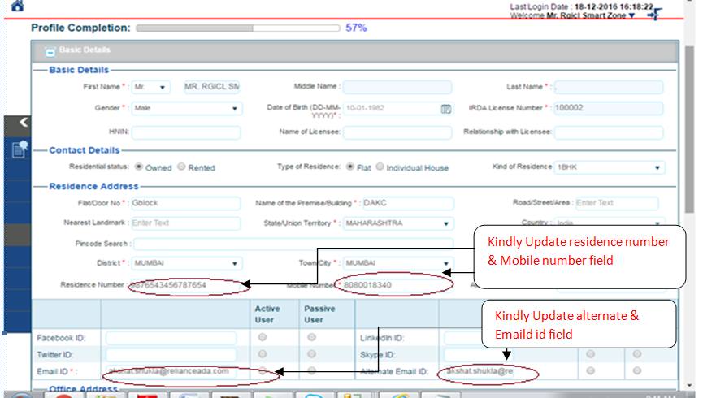
Traning module - How to Update the New Email Id & Mobile number .

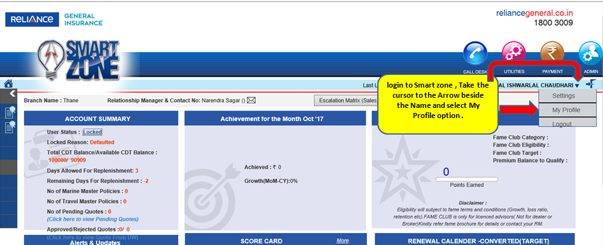

How to update Email id & Mobile number in profile - please follow the print screen below.

